Sheet1
Scouts BSA Fall 2024 Recruitment Social Posts

Week | Post | Topic | Post Language | Hashtags | Male Image (or Similar Troop Image) | Female Image (or Similar Troop Image) | Sitelink (BeAScout or Troop Website)
1 | 1 | Testing Limits | From taking your first hike in the mountains…to starting your first campfire...Scouts BSA is about testing your limits and pushing yourself to do things you never thought possible. Don't let adventure pass you by! Check out our troop today! For info, contact (insert troop contact info). | #AdventureOn #BeAScout #ScoutsBSA | 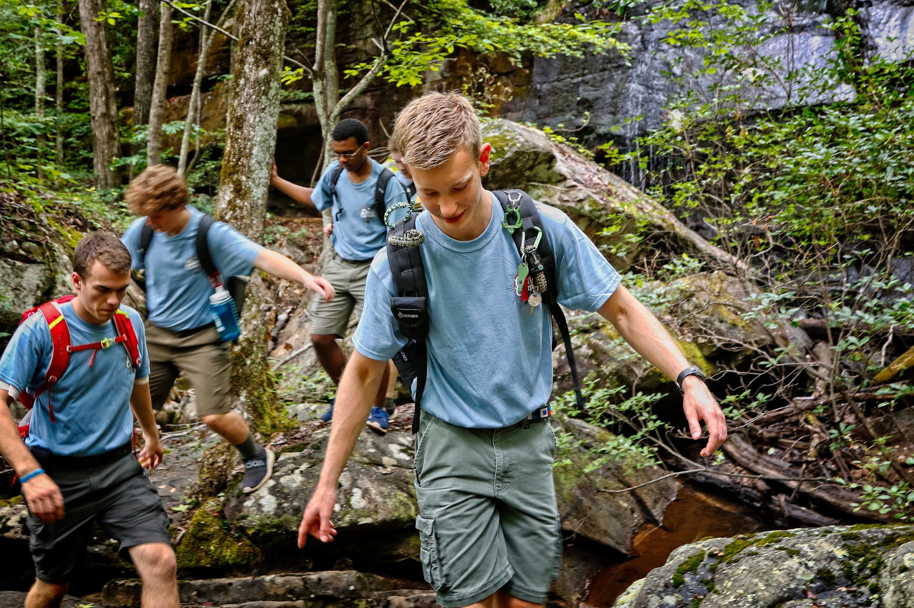 | 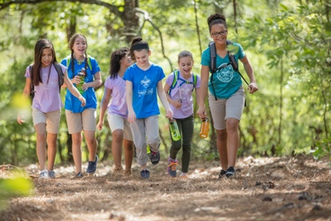 | www.beascout.org
1 | 2 | Best Future Self | What does your future hold? Are you destined for greatness? Will you impact the world around you? The best way to find out is through Scouts BSA! Scouting's character and leadership programs help young people become the best future version of themselves. Oh yeah... and...it's fun! Join today! For info, contact (insert troop contact info). | #AdventureOn #BeAScout #ScoutsBSA | 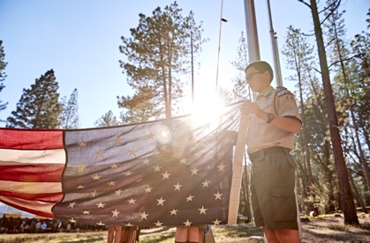 |  | www.beascout.org
2 | 2 | Select Merit Badges that Interest You | The Scouting program leads down many paths and takes many directions. With over 135 Merit Badges, there's something cool and exciting for everyone to learn and do! The road to leadership and achievement is as unique as you are. So…you be you...and join us today! For info, contact (insert troop contact info.) | #AdventureOn #BeAScout #ScoutsBSA |  | 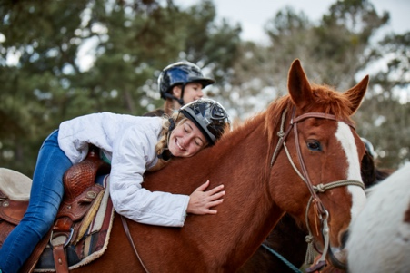 | www.beascout.org
2 | 1 | STEM in Scouting | If you know a pH meter from a Bunsen burner...well, put down your periodic table of elements and join us! Scouting is the place for you! With merit badges focused on STEM learning, you'll get ahead in school and in life! For info, contact (insert troop contact info.) | #AdventureOn #BeAScout #ScoutsBSA | 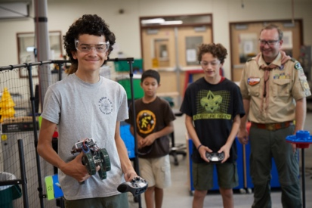 | 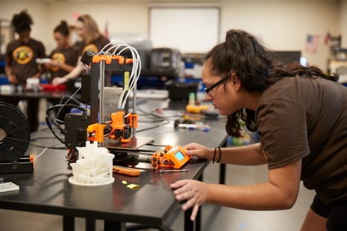 | www.beascout.org
3 | 2 | Outdoor Fun | Whether it's casting a bucktail or traversing a mountainside, Scouting is all about fun in the outdoors. Camping, hiking, biking, climbing…in Scouting, we do it all! Every skill level welcome! If you've never been outside…what are you waiting for? It's great out here! Join us today! For info, contact (insert troop contact info.) | #AdventureOn #BeAScout #ScoutsBSA | 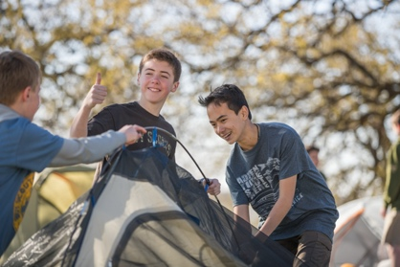 | 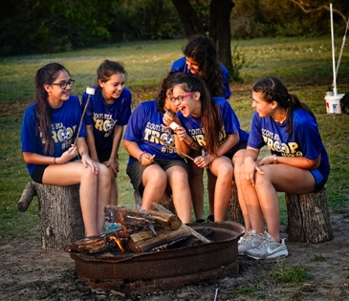 | www.beascout.org
3 | 1 | Adventure Comes in Many Ways | Adventure comes in many ways. From hiking around a remote campsite to exploring a city park, Scouting will take you places you never thought possible. Join us today and discover your own adventure! For info, contact (insert troop contact info.) | #AdventureOn #BeAScout #ScoutsBSA |  |  | www.beascout.org
4 | 2 | Life Skills | We’re all ready to put down our screens (even if just for a few moments) to experience “real”. Real nature, real friendships, real excitement! In Scouting, we learn life skills…skills that matter. We make friendships that mean something. We value each other and the communities around us. Don't miss out on what's real. Join us today! For info, contact (insert troop contact info.) | #AdventureOn #BeAScout #ScoutsBSA | 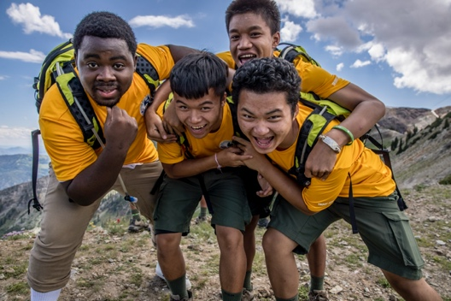 | 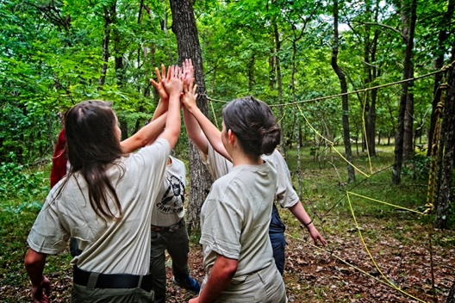 | www.beascout.org
4 | 3 | Fun Things our Troop Does | Ever go bowling or camping? Ever sleep under the stars for an entire weekend? Ever have so much fun with friends that you can't wait to get together again? Well...we do! All. The. Time. Join us to begin YOUR amazing experience today! For info, contact (insert troop contact info.) | #AdventureOn #BeAScout #ScoutsBSA | 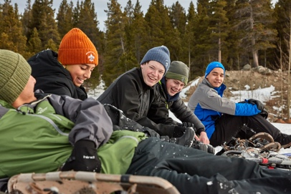 | 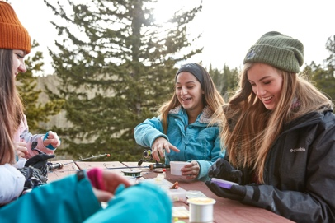 | www.beascout.org
5 | 1 | High Adventure | With 4 national high adventure bases, Scouts can canoe into the Canadian wilderness, sail along the Florida Keys, hike the mountains of Northern New Mexico, or zipline through the hills of Appalachia. It's good to be a Scout! Visit us today to find out what our troop does! Contact (insert troop contact info.) | #AdventureOn #BeAScout #ScoutsBSA | 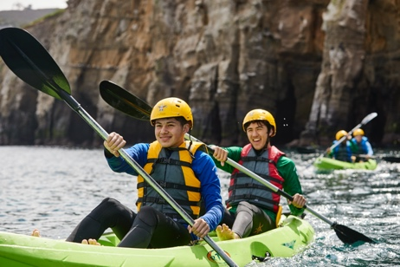 |  | www.beascout.org
5 | 2 | Summer Camp | What sounds like more fun…a boring week of summer chores at home…or canoeing, swimming, hiking, biking, archery and cooking over an open fire? I know which one I'd choose! Visit our troop today and we'll tell you about this year's summer camp plans. It's not too late to join! For info, contact (insert troop contact info.) | #AdventureOn #BeAScout #ScoutsBSA | 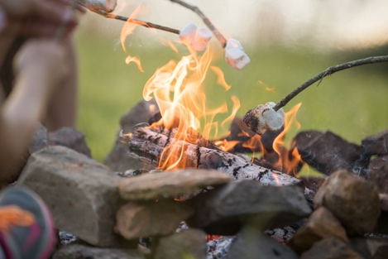 |  | www.beascout.org
5 | 3 | Eagle Scout Rank | Every year, hard-working young men and women achieve the rank of Eagle Scout. It means they've risen to the level of accomplishment, character and leadership befitting Scouting's highest rank. In fact, when hiring managers and admissions clerks hear the phrase "Eagle Scout", they take note! Let it be you they notice! Start your journey to Eagle today! For info, contact (insert troop contact info.) | #AdventureOn #BeAScout #ScoutsBSA | 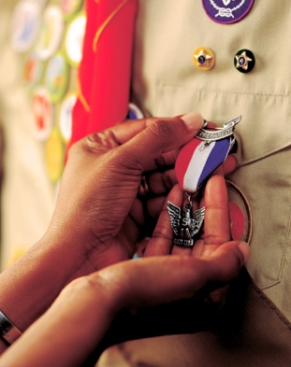 |  | www.beascout.org
6 | 1 | Join Us As We… | Join us (day/time) as we (activity)! All friends and family are welcome! No need to be a Scout! We're gathering people to have fun. We'll be (list activities.) RSVP by contacting (insert troop contact info.) | #AdventureOn #BeAScout #ScoutsBSA | 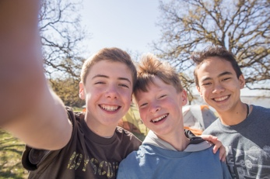 | 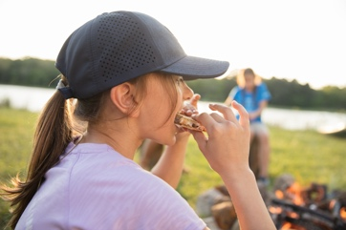 | www.beascout.org
6 | 2 | Stop By Any Time | If you're interested in learning more about Scouts BSA and the fun things we do as a troop, please stop by at any time! We meet regularly at (place/day/time). We'd love to have you stop by and say hello. If you'd like more info, contact (insert troop contact info.) | #AdventureOn #BeAScout #ScoutsBSA |  | 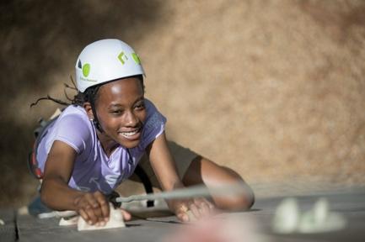 | www.beascout.org
6 | 3 | Recruitment Event Info | Interested in becoming a Scout? Here's a great opportunity! (Day/time/place.) We'll be there to answer questions and talk with you about the fun plans we have lined up for the year. No prior knowledge or skills required. We'll help you easily get started. Stop by (day/time/place.) If you can't make it...no worries! We meet regularly. Come at any time! For info, contact (insert troop contact info.) | #AdventureOn #BeAScout #ScoutsBSA | 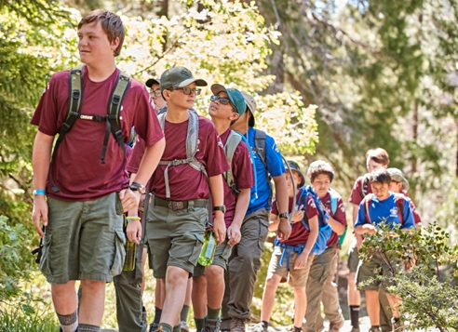 | 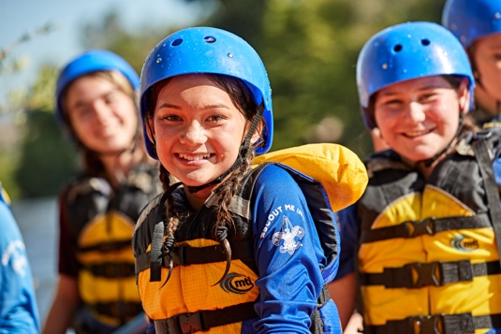 | www.beascout.org

